Cash on Cash
Cash-on-Cash Return

 | Year 1 | Year 2 | Year 3 | Year 4 | Year 5
Down payment: | $330,000 | $330,000 | $330,000 | $330,000 | $330,000
Net Operating Income: | $194,282 | $208,677 | $219,407 | $223,609 | $233,026
Debt Service (annual) | $65,352 | $100,668 | $100,668 | $100,668 | $100,668

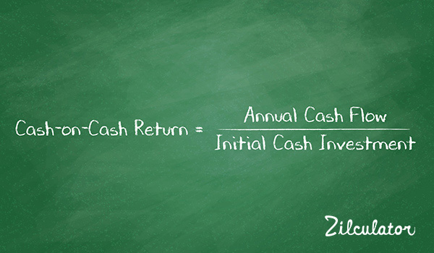
Formula

Calculation
Cash-on-Cash Return | 39% | 33% | 36% | 37% | 40%

Check more real estate definitions
http://zilculator.com/real-estate-analysis/

IRR
Internal Rate of Return

In this project we are considering the purchase of Medary Village MHP/Laundromat which requires a $575,000 cash investment.
We forecast the annual preferred dividends + after-tax, after debt service cash flows for each year:$93,234, $77,996, $85,224, $88,024 and $89,4017
We are assuming sale proceeds of $800,000 at the end of year 5. Based on this, IRR = 20.42%

Formula
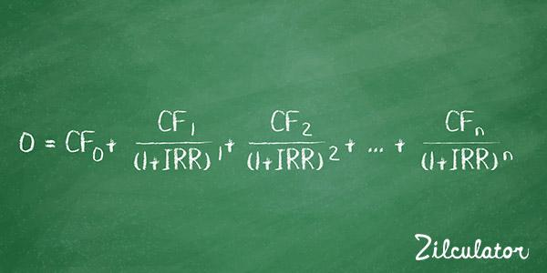

Initial Investment (negative amount) | $(575,000.00)
Cash Flow, End of Year 1 | $93,234.00
Cash Flow, End of Year 2 | $77,996.00
Cash Flow, End of Year 3 | $85,224.00
Cash Flow, End of Year 4 | $88,024.00
Cash Flow, End of Year 5 | $894,017.00

Internal Rate of Return | 20.42%

Check more real estate definitions
http://zilculator.com/real-estate-analysis/

